Indices

 | Iraq Stock Exchange
 | Bulletin No (35)
 | ISX Trading Indices of Monday 23/2/2026

 | Traded Volume and OTC |  | 818,167,570 |  | Traded Value and OTC |  | 797,032,637 |  | Traders | 758

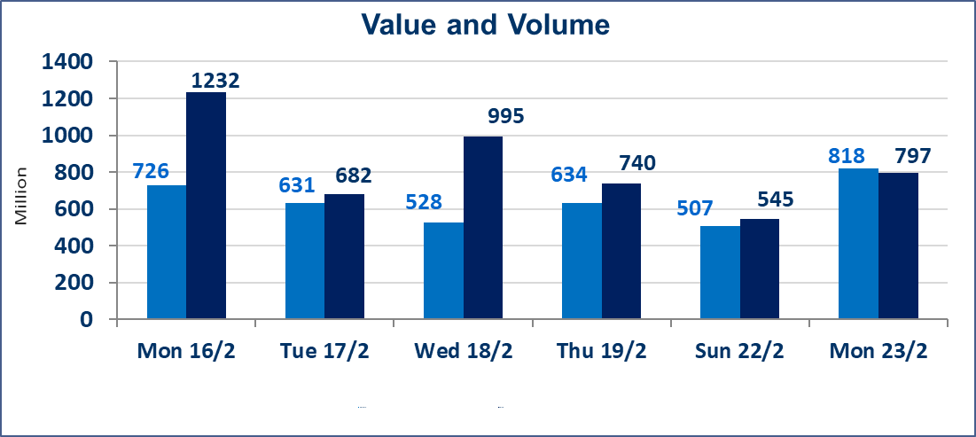
 | ISX Index 60 |  |  | 965.58 | ISX Index 15 |  |  | 1245.93
 | Previous ISX Index60 |  |  | 967.48 | Previous ISX Index15 |  |  | 1268.31
 | Change % |  |  | -0.20 | Change % |  |  | -1.76
 | Change |  |  | -1.90 | Change |  |  | -22.38

 | Listed Companies | 104 | OTC | 14 | Non Traded listed | 45 | OTC | 12
 | Traded Listed Companies | 49 | OTC | 2 | Higher Companies |  |  | 13
 | GAM Companies |  |  | 0 | Lower Companies |  |  | 20
 | Suspended Companies |  |  | 10
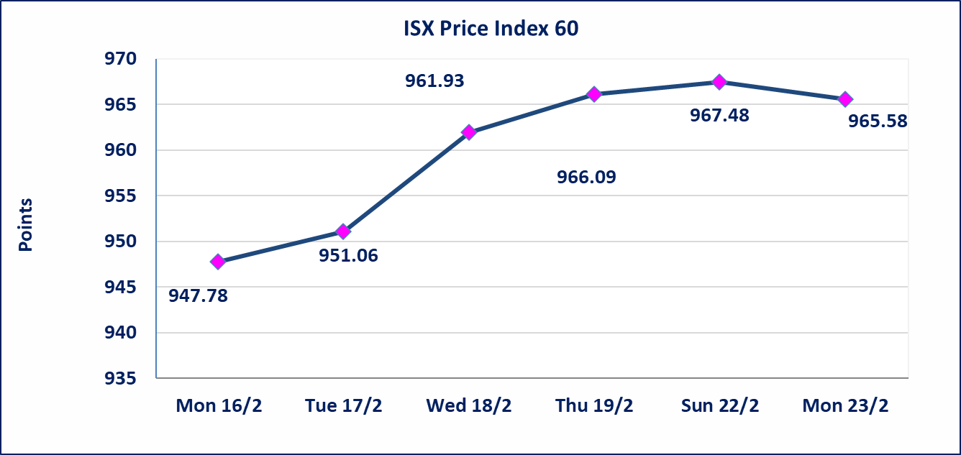
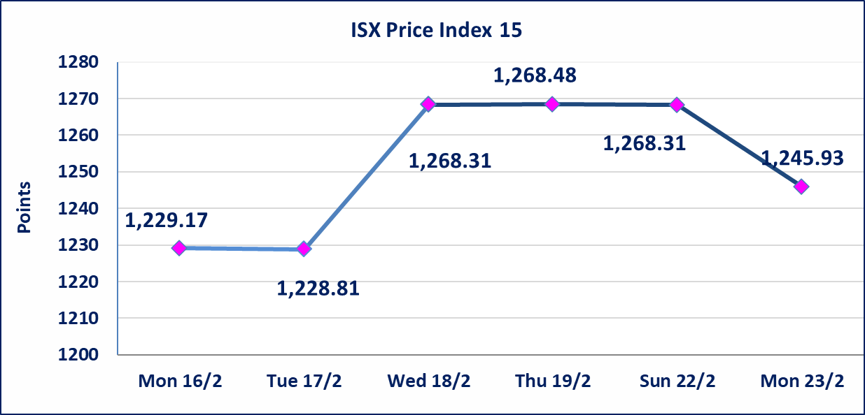

Al-Alwiya P.O . 3607 Mobile: 07711211522 - 07270094594 - 07834000034 E-mail: info-isx@isx-iq.net Web site:www.isx-iq.net

Top 5
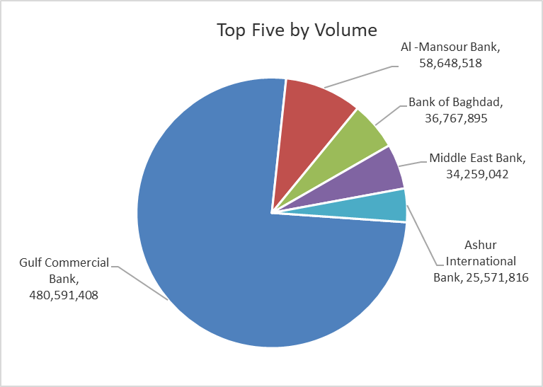
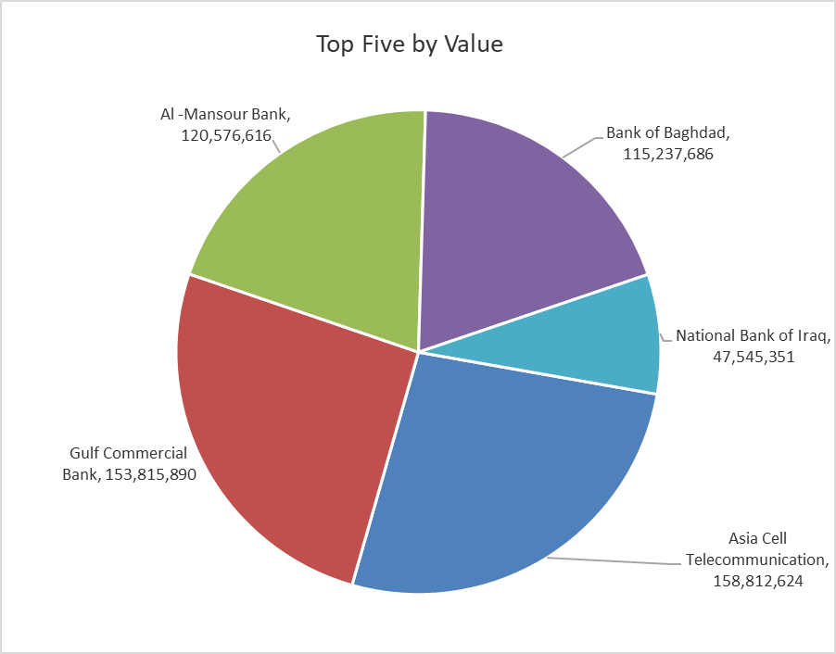

ISX top ganing and losing companies
Monday 23/2/2026
 | Gainers |  |  |  | Losers
 | Company Name | Closing Price | Change (%) | Traded Volume | Company Name | Closing Price | Change (%) | Traded Volume
 | Elaf Islamic Bank | 0.230 | 15.00 | 100,000 | Gulf Insurance | 0.450 | -10.00 | 546,000
 | Al-Taif Islamic Bank | 0.740 | 8.82 | 23,805 | Babylon Hotel | 110.000 | -8.33 | 2,665
 | National Islamic Bank | 0.650 | 8.33 | 500,000 | Al-Ameen Estate Investment | 1.750 | -5.41 | 1,767,113
 | Sumer Commercial Bank | 0.140 | 7.69 | 15,000,600 | Electronic Industry | 1.810 | -4.74 | 55,000
 | Al-Ameen for Insurance | 0.950 | 3.26 | 259,270 | Modern Construction Materials | 1.440 | -4.64 | 565,070
 | The most active companies in term of traded volume and value

 | Traded Volume |  |  |  | Traded Value
 | Company Name | Closing Price | Change (%) | Traded Volume | Company Name | Closing Price | Change (%) | Traded Value
 | Gulf Commercial Bank | 0.330 | 3.13 | 480,591,408 | Asia Cell Telecommunication | 14.940 | -0.40 | 158,812,624
 | Al -Mansour Bank | 2.050 | -0.49 | 58,648,518 | Gulf Commercial Bank | 0.330 | 3.13 | 153,815,890
 | Bank of Baghdad | 3.150 | 1.29 | 36,767,895 | Al -Mansour Bank | 2.050 | -0.49 | 120,576,616
 | Middle East Bank | 0.060 | 0.00 | 34,259,042 | Bank of Baghdad | 3.150 | 1.29 | 115,237,686
 | Ashur International Bank | 0.240 | -4.00 | 25,571,816 | National Bank of Iraq | 4.800 | 0.00 | 47,545,351

Non Iraqi

Iraq Stock Exchange
Non Iraqis' Bulletin Monday 23 Feb 2026
Regular Market

Non Iraqi Trading of Regular Market (Buy)
Company Names | Code | No.of trades | Traded Shares | Trading Volume
Banks Sector
National Bank Of Iraq | BNOI | 8 | 5,000,000 | 24,000,000
Gulf Commercial Bank | BGUC | 14 | 48,291,430 | 15,453,258
Total Bank sector |  | 22 | 53,291,430 | 39,453,258
Grand Total |  | 22 | 53,291,430 | 39,453,258

Non Iraqi Trading of Regular Market (Sell)
Company Names | Code | No.of trades | Traded Shares | Trading Volume
Telecommunication Sector
Asia cell | TASC | 27 | 2,552,728 | 38,198,284
Total Telecommunication sector |  | 27 | 2,552,728 | 38,198,284
Grand Total |  | 27 | 2,552,728 | 38,198,284

Not Trading Bonds

Iraq Stock Exchange
Monday 23/2/2026
Not Trading Bonds Bulletin
Bond type | Publish type | Code | last trading price | immortilize date
Banaa Bonds /Million ID | Second | CB20 | 964,981 | 19/12/2025
Eamar Bonds /Million ID | First | CB30 | 1,001,095 | ــــــــــــــــ
Eamar Bonds /Million ID | Second | CB40 | ــــــــــــــــ | ــــــــــــــــ
Eamar Bonds /500 Thousand ID | Third | CB45 | ــــــــــــــــ | ــــــــــــــــ
Eamar Bonds /Million ID | Third | CB50 | ــــــــــــــــ | ــــــــــــــــ
Injaz Bonds /500 Thousand ID | First | CB55 | ــــــــــــــــ | ــــــــــــــــ
Injaz Bonds /Million ID | First | CB60 | ــــــــــــــــ | ــــــــــــــــ
Injaz Bonds /500 Thousand ID | Second | CB65 | 502,671 | ــــــــــــــــ
Injaz Bonds /Million ID | Second | CB70 | 1,026,082 | ــــــــــــــــ
Injaz Bonds /500 Thousand ID | Third | CB75 | ــــــــــــــــ | ــــــــــــــــ
Injaz Bonds /Million ID | Third | CB80 | 978,182 | ــــــــــــــــ
National Bonds/Million ID | First | CB90 | ــــــــــــــــ | ــــــــــــــــ
National Bonds/500 Thousand ID | Second | CB95 | ــــــــــــــــ | ــــــــــــــــ
National Bonds/Million ID | Second | CB100 | ــــــــــــــــ | ــــــــــــــــ

